Leadership and Milestones Timel
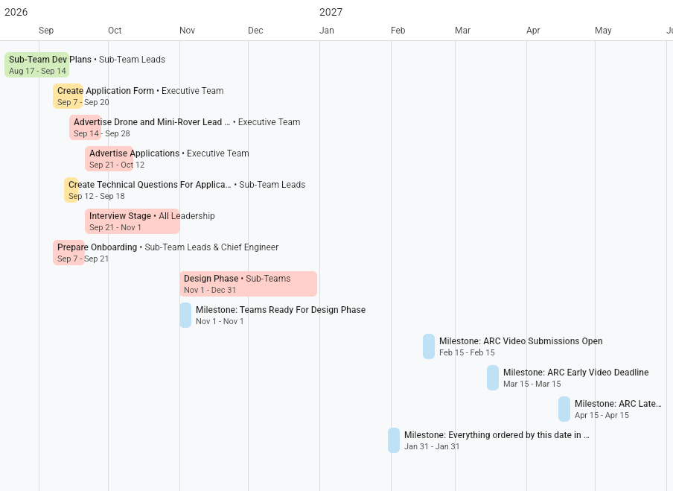

Drone Timeline


Software Timeline
